buying list
Scoop & Scales buying list #5
Name:
Contact email:
Contact number:
item - click on the items to find out more about them | Price |  | your order | unit | cost | price comparison
Ecoleaf multi surface cleaner | £0.18 | per 100g | 0 | grams | £0.00 | Tesco Eco Active Kitchen Cleaner 750Ml is £1.50 (20p/100ml)
Ecoleaf washing up liquid | £0.18 | per 100g | 0 | grams | £0.00 | a 500ml bottle of eco active at Tesco is £1 (20p/100ml)
Non-bio Ecoleaf laundry liquid | £0.33 | per 100g | 0 | grams | £0.00 | Ecover Non-Bio Concentrated Laundry Liquid 1.5Ltr is £9 at Sainsburys (60p/100ml)
Bicarbonate of soda | £0.41 | per 100g | 0 | grams | £0.00 | Dr.Oetker Bicarbonate Soda 200G is £1.40 at Tesco (70p/100g)
Ecoleaf Dishwasher Tablets (25 pack) | £3.99 | box of 25 | 0 | box/es | £0.00 | Amazon retail this product at £5.33
Recycled non-scratch sponges (2pack) | £1.10 | pack of 2 | 0 | pack/s | £0.00
Recycled multi-purpose cloths (2 pack) | £1.10 | pack of 2 | 0 | pack/s | £0.00
Locally made pack of 3 waxed fabric wraps (info below) | £12.00 | pack of 3 | 0 | pack/s | £0.00
Organic muesli | £0.31 | per 100g | 0 | grams | £0.00 | Alara Fruits & Seeds Muesli, Organic 650g is £2.70 at Sainsburys (42p/100g)
Jumbo oats | £0.13 | per 100g | 0 | grams | £0.00 | Quaker Jumbo Rolled Oats 1Kg is £2.30 at Tesco (23p/100g)
Brown long grain rice | £0.18 | per 100g | 0 | grams | £0.00 | Tesco Easy Cook Brown Rice 1Kg is £1.50 (15p/100g)
Organic wholewheat fusilli - pasta | £0.21 | per 100g | 0 | grams | £0.00 | Tesco Organic Whole Wheat Fusilli 500G is £1 (20p/100g)
Dried green lentils | £0.21 | per 100g | 0 | grams | £0.00 | Asda dried green lentils cost £1.15 for 500g (23p/100g)
Dried chickpeas | £0.19 | per 100g | 0 | grams | £0.00 | 500g dried chickpeas is £1.29 at Grape Tree (26p/100g)
Extra virgin olive oil | £0.72 | per 100g | 0 | grams | £0.00 | Filippo Berio Extra Virgin Olive Oil 1litre is £8 at Tesco (80p/100ml)
Pitted organic dates | £0.60 | per 100g | 0 | grams | £0.00 | Holland & Barrett Organic Dates 500g cost £4.99 (£1/100g)
Unsulphured apricots | £0.56 | per 100g | 0 | grams | £0.00 | Grape Tree sell 250g for £2.69 (£1.08/100g)
Whole almonds | £1.36 | per 100g | 0 | grams | £0.00 | Grape Tree sell 300g of whole almonds for £4.29 (£1.43/100g)
Sultanas | £0.53 | per 100g | 0 | grams | £0.00 | Grape tree sell 500g of sultanas for £2.29 (46p/100g)
Pumpkin seeds | £0.61 | per 100g | 0 | grams | £0.00 | Tesco Pumpkin Seeds 250G is £2.30 (92p/100g)
Sunflower seeds | £0.27 | per 100g | 0 | grams | £0.00 | Tesco Sunflower Seeds 300G is £2.30 (77p/100g)
Walnut halves | £1.36 | per 100g | 0 | grams | £0.00 | Holland & Barrett walnut halves 500g cost £6.99 (£1.40/100g)
Soft brown sugar | £0.34 | per 100g | 0 | grams | £0.00 | Tesco soft brown sugar 500g is £1.30 (26p/100g)
Ecoleaf liquid hand soap | £0.30 | per 100g | 0 | grams | £0.00 | Method botanical garden 354ml is £2.50 at Tesco (71p/100ml)
White lavender glycerine unpackaged soap | £1.40 | per bar | 0 | bar/s | £0.00
Suma grapefruit and mandarin bar of soap | £1.90 | per bar | 0 | bar/s | £0.00
Tea tree and eucalyptus bar of soap | £1.90 | per bar | 0 | bar/s | £0.00
Natural Shampoo Bar | £1.95 | per bar | 0 | bar/s | £0.00 | A 55g shampoo at Lush costs £8
Clear & simple shampoo | £0.36 | per 100g | 0 | grams | £0.00 | Simple gentle care shampoo is £2.99 for 200ml at Boots (£1.49/100ml)
Suma white lavender hair conditioner | £0.39 | per 100g | 0 | grams | £0.00 | A 400ml Herbal Essences hello hydration conditioner is £3 at Boots (75p/100ml)
Alter/native by Suma Tea tree, aloe and lime body wash | £0.69 | per 100g | 0 | grams | £0.00 | Kind Natured Lime & Mandarin body wash 250ml is £4.99 at Boots (£2/100ml)
Bamboo Toothbrush | £2.26 | per toothbrush | 0 | toothbrush/es | £0.00 | RRP is £2.95

Membership to Scoop & Scales buyers club | £30.00 | per member | 0 | membership | £0.00
Reduced Membership to Scoop & Scales buyers' club | £1.50 | per member | 0 | membership | £0.00
 |  |  | Total order cost |  | £0.00
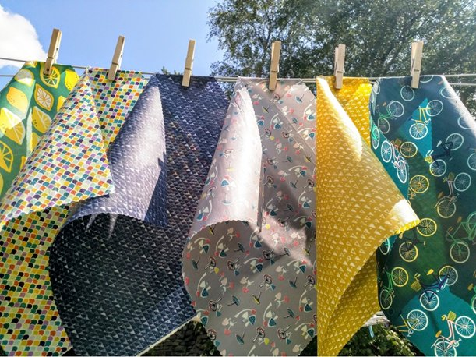

* Waxed Fabric Wraps are an eco friendly alternative to single use plastic cling film and sandwich bags. They are made from 100% GOTS certified organic cotton fabric covered with beeswax, pine resin and jojoba oil.

* Vegan wraps are also available made using candelilla and soy wax (please put a note with your order if you require the vegan wraps).
* They are re-usable, can be wiped clean, last around 12 – 18 months depending on usage. They are perfect for cheese, sandwiches, covering bowls, wrapping cut veggies etc.
* They are not suitable for raw meat and fish as they can not be washed at high temperatures. When the wraps reach the end of their life they can be added to the compost bin.
* The wraps are hand made in Macclesfield.
We are selling a three pack of one large, one medium and one small for £12.
* Sizes are large = 35cm x 35 cm, medium = 27cm x27 cm and small =20cm x 20 cm.

